Sheet1
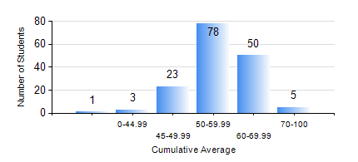
 |  |  | KWAME NKRUMAH UNIVERSITY OF SCIENCE AND TECHNOLOGY, KUMASI Department of Materials Engineering

 |  |  | BSC. METALLURGICAL ENG.

 |  |  | COMPREHENSIVE RECORD OF EXAMINATION RESULTS

 |  |  | RESULTS OF YEAR 2 FIRST SEMESTER, 2021/2022 ACADEMIC YEAR

 | Sn | Course Code |  | Course Name | Credit Hours | Min. Mark | Max. Mark | Avg. Mark | Std. Dev. | No. Passed | No. Trailed | No. (Df) | No. (I) | No. (I*) | No. Tagged(I,I*,Df) | Total
 | 0. |  |  |  |  |  |  | 0 | 0 | 0 | 0 | 0 | 0 | 0 | 0 | 7
 | 1. | CENG 291 |  | ENGINEERING IN SOCIETY | 2 | 18 | 82 | 60 | 12.61 | 135 | 18 | 0 | 0 | 0 | 0 | 153
 | 2. | GED 251 |  | MINERALOGY | 3 | 17 | 80 | 53 | 11.58 | 142 | 11 | 0 | 0 | 0 | 0 | 153
 | 3. | MATH 251 |  | DIFFERENTIAL EQUATIONS | 4 | 33 | 79 | 50 | 8.19 | 145 | 8 | 0 | 0 | 0 | 0 | 153
 | 4. | METE 251 |  | METALLURGICAL THERMODYNAMICS | 3 | 26 | 81 | 58 | 9.95 | 152 | 1 | 0 | 0 | 0 | 0 | 153
 | 5. | MSE 251 |  | MOMENTUM TRANSPORT | 2 | 15 | 71 | 46 | 10.77 | 114 | 39 | 0 | 0 | 0 | 0 | 153
 | 6. | MSE 253 |  | MECHANICAL BEHAVIOUR OF MATERIALS | 3 | 11 | 83 | 47 | 14.09 | 117 | 36 | 0 | 0 | 0 | 0 | 153
 | 7. | MSE 255 |  | PROPERTIES OF ENGINEERING MATERIALS | 3 | 8 | 87 | 52 | 17.19 | 125 | 28 | 0 | 0 | 0 | 0 | 153
 | 8. | MSE 257 |  | INDIGENOUS PROCESSING | 1 | 20 | 87 | 62 | 12.76 | 145 | 8 | 0 | 0 | 0 | 0 | 153

